Sheet1
DATE | INV NO. | DESCRIPTIONS | QTY | BILLS | PRICE | SUBTOTAL | TOTAL
1-Dec-2025 | SO-2504780 | MARVELOUS MANGO PET | 5 | 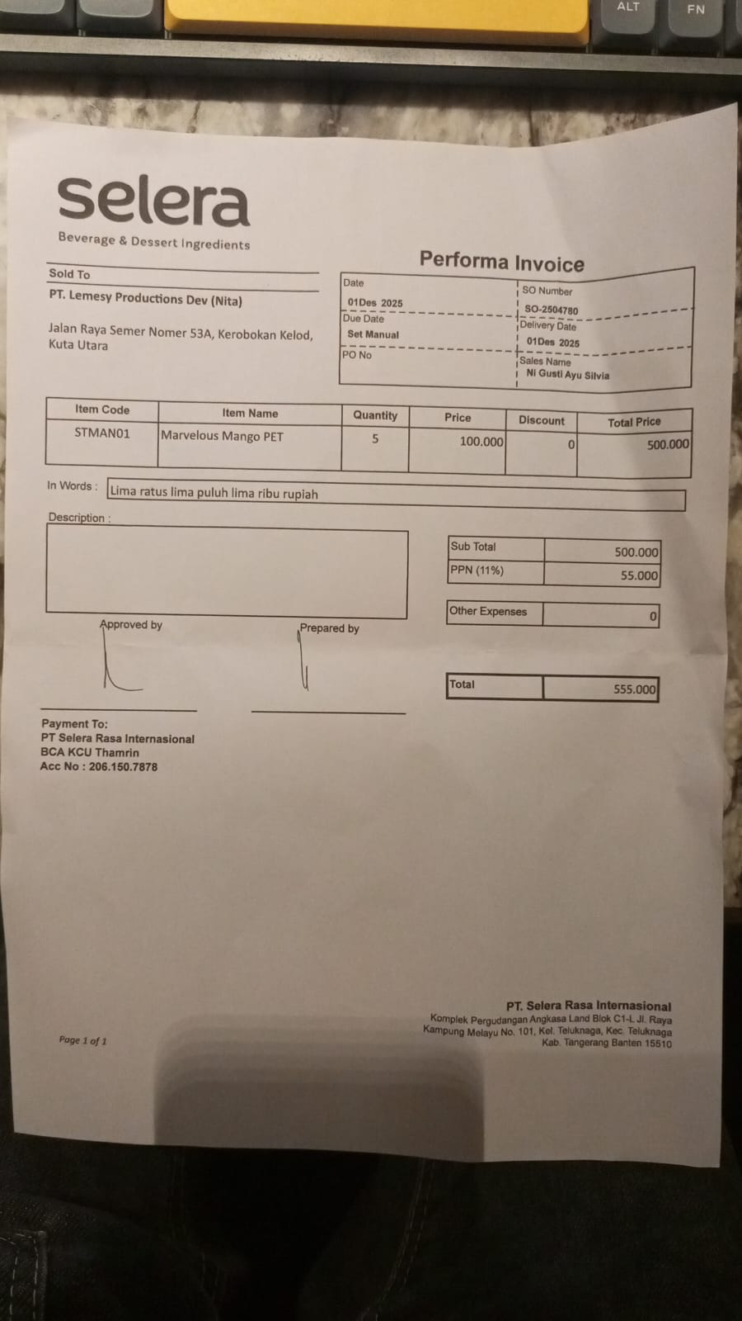 | IDR 100,000 | IDR 500,000 | IDR 500,000

SUB TOTAL |  |  | 5 |  | PPN (11%) |  | IDR 55,000
TOTAL |  |  |  | Rp555,000.00
8-Dec-2025 | SO-2504895 | PARADISE PEACH PET | 3 | 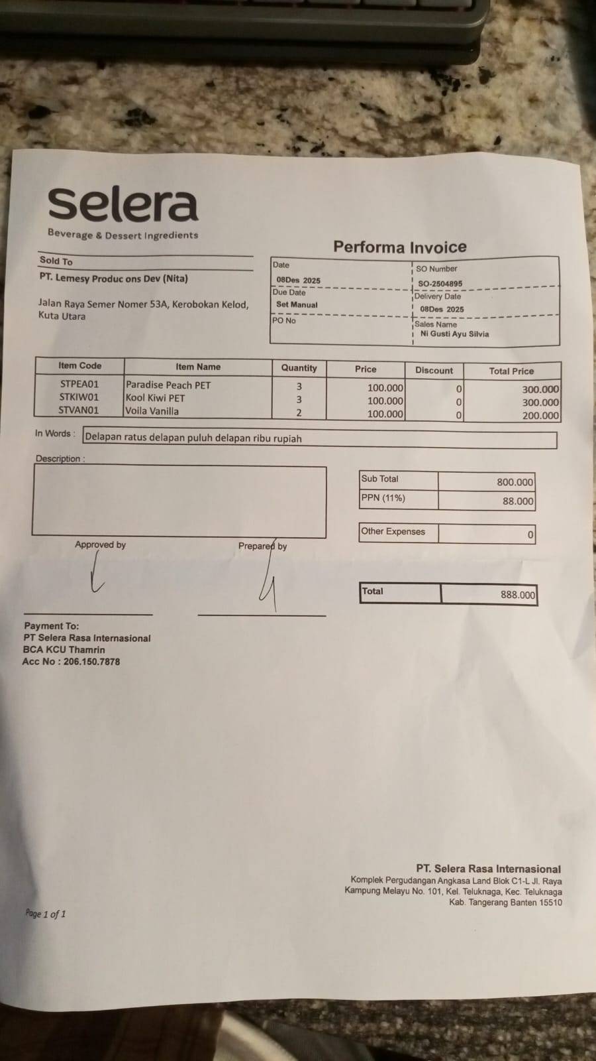 | IDR 100,000 | IDR 300,000 | IDR 800,000
 |  | KOOL KIWI PET | 3 |  | IDR 100,000 | IDR 300,000
 |  | VOILA VANILLA | 2 |  | IDR 100,000 | IDR 200,000
SUB TOTAL |  |  | 8 |  | PPN (11%) |  | IDR 88,000
TOTAL |  |  |  | Rp888,000.00
10-Dec-2026 | SO-2504950 | CHEERFUL AMAREENA CHERRY PET | 4 | 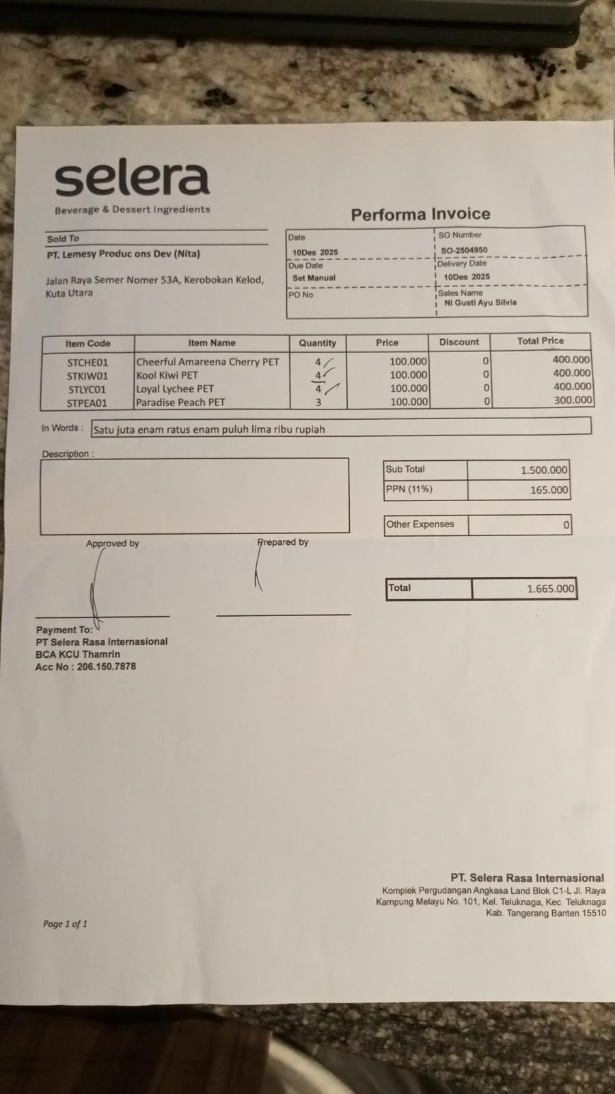 | IDR 100,000 | IDR 400,000 | IDR 1,500,000
 |  | KOOL KIWI PET | 4 |  | IDR 100,000 | IDR 400,000
 |  | LOYAL LYCHEE PET | 4 |  | IDR 100,000 | IDR 400,000
 |  | PARADISE PEACH PET | 3 |  | IDR 100,000 | IDR 300,000
SUB TOTAL |  |  | 15 |  | PPN (11%) |  | IDR 165,000
TOTAL |  |  |  | Rp1,665,000.00
29-Dec-2025 | SO-2505255 | MARVELOUS MANGO PET | 4 | 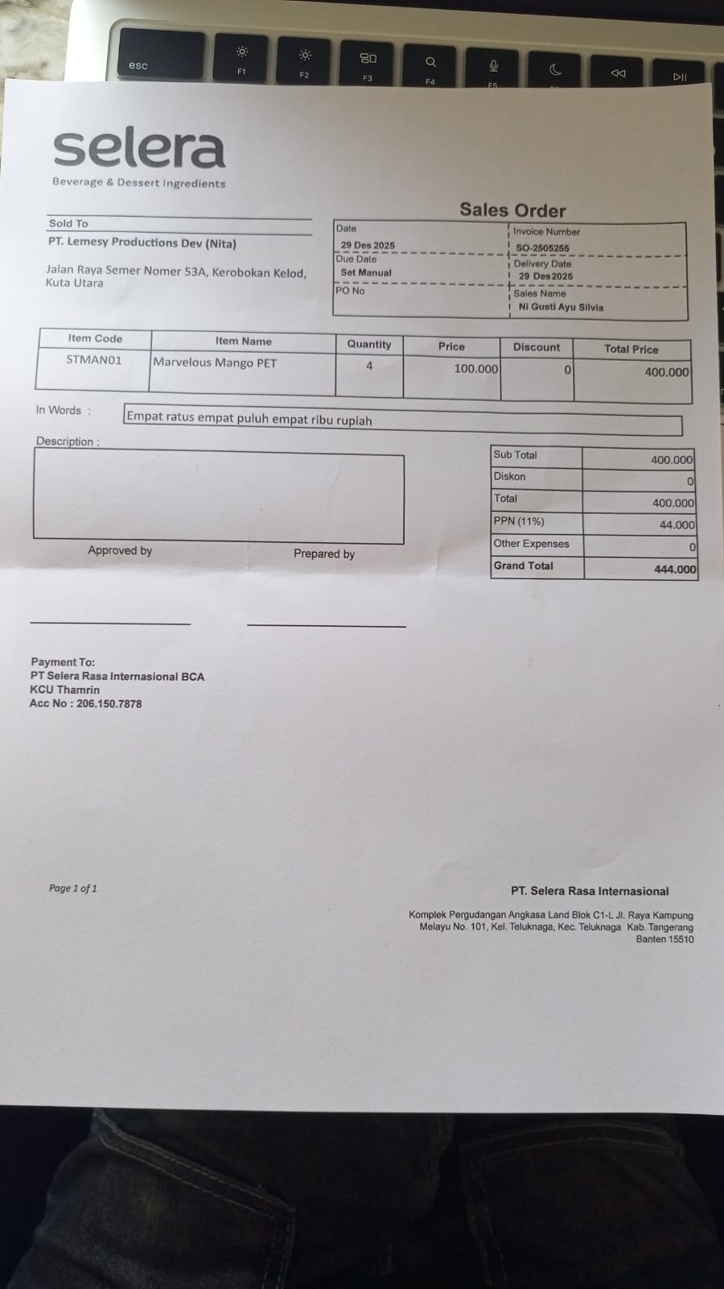 | IDR 100,000 | IDR 400,000 | IDR 400,000

SUB TOTAL |  |  | 4 |  | PPN (11%) |  | IDR 44,000
TOTAL |  |  |  | Rp444,000.00
GRAND TOTAL |  |  |  | Rp3,552,000.00

